Sheet1
In |  |  |  | Thinc Traceability Template |  |  |  | Out
Goods In Date | Order Number | Supplier Name | Chemical Name | Order Quantity (units) | Batch Number | Received Quantity (units) | Current Stock (units) | Date of Dispatch | Customer Name | Order Number2 | Dispatched Quantity (units) | Batch Number2 | Remaining Stock (units) | Notes
2023-05-01 | PO789 | Supplier A | Chemical X | 500 | A123 | 500 | 500 |  |  |  |  |  |  | Received in good condition
2023-05-02 | PO980 | Supplier B | Chemical Y | 700 | B456 | 680 | 680 |  |  |  |  |  |  | Short by 20 units
2023-05-10 |  |  |  |  |  |  | 1180 | 2023-05-10 | Customer 1 | ORD678 | 200 | A123 | 980 | Dispatched as per request
2023-05-15 | PO999 | Supplier C | Chemical Z | 300 | C789 | 300 | 1280 |  |  |  |  |  |  | Received in good condition

Scan into these field during goods in / out with USB scanner

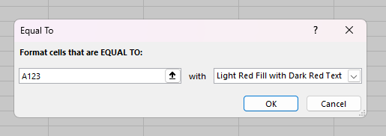

Use conditional formatting to match goods in and goods out

